Feuil1
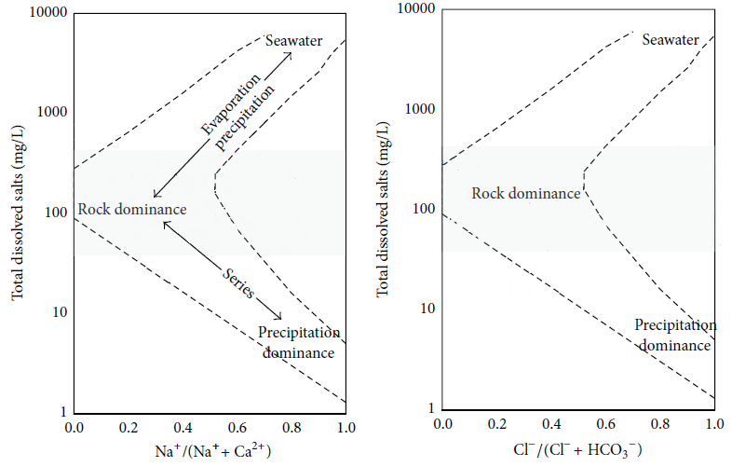
Nom | TDS | Ca(Mg/l) | Na (Mg/l) | CL(Mg/l) | HCO3(Mg/l) | Na/(Na+Ca) | Cl/(Cl+HCo3)
Sample 1 | 1629.2 | 71.6 | 120 | 178 | 230 | 0.62630480167 | 0.4362745098
sample 2 | 1284 | 68 | 107 | 135 | 215 | 0.61142857143 | 0.38571428571
Sample 3 | 1296 | 73 | 120 | 181.1 | 152.3 | 0.62176165803 | 0.54319136173
Sample 4 | 463 | 74.7 | 130 | 185 | 171 | 0.63507572057 | 0.51966292135
Sample 5 | 878 | 77 | 105 | 145 | 186.4 | 0.57692307692 | 0.43753771877
Sample 6 | 1116.3 | 74.4 | 170 | 155 | 134 | 0.69558101473 | 0.53633217993
Sample 7 | 1208 | 70.6 | 130 | 183 | 108 | 0.6480558325 | 0.62886597938
Sample 8 | 900 | 72.4 | 190 | 210 | 153 | 0.72408536585 | 0.57851239669
Sample 9 | 918 | 73 | 240 | 157 | 230 | 0.76677316294 | 0.40568475452
Sample 10 | 759 | 72.7 | 120 | 151 | 150 | 0.62272963155 | 0.50166112957
Sample 11 | 733 | 75.9 | 270 | 390 | 160 | 0.78057241977 | 0.70909090909

